Sheet1
> | Full market plot

 | --> simply going from 20000 per week max to 70000 per week max in just 3-4 weeks does not make any sense

> | df.DPG.unique() --> some weird DPG names observed

 | array(['100015989', '100015990', '100015994', '100017727', '100195993',
 | '100195994', '100196077', '100196078', '100196079', '100196080',
 | '100196084', '100196086', '100196090', '100196091', '100196092',
 | '100303876', '100303877', '100303883', '100303885', '100305623',
 | '100341530', '100368643', '100708095', '100770107', '100960819',
 | 'BX14', 'FA00', 'FA01', 'FA02', 'FA03', 'FA04', 'FA09', 'FB00',
 | '100303882', '100306840', '100423225', 'FJ07', 'FK08', 'FL10',
 | '100017712', '100196076', '100196087', '100303878', 'FS08', 'FS11',
 | '100196085', '100016000', '100196095', '100588965', '100303880',
 | '100344078', '100196081', '100015996', '100015992', '100196082',
 | 'FQ02', 'FQ03', 'FD00', '101023456', 'FZ21', '0', 'DEXMOD', 'FD03', |  |  |  |  |  |  | -------------------------------------> 'DEXMOD' DPG only has values in 2021, not before
 | 'FM05', 'FW01'], dtype=object) |  |  |  |  |  |  |  |  |  | and 2021 has some unusual spikes

 | --> removed these weird DPGs

> | subsection data in fault region
 | df[df.date between '2021-01-01' to '2021-08-01]
 | pivot data to get highest volume DPGs

 | Row Labels | Sum of actual_sales
 | BX14 | 2330543.426 | ----------------> unusual value, ~5 times the 2nd highest value
 | FC00 | 584829.06002
 | FE00 | 449802.33478
 | 100015989 | 444862.1286
 | GD01 | 432930.91428
 | GD00 | 431568.6152
 | GE06 | 354468.3858
 | FB00 | 344746.40192 |  |  | only DPG== 'BX14' plot
 | FZ10 | 342582.21188
 | FK00 | 336616.78808
 | FT00 | 336462.13434
 | GE00 | 331737.2294
 | FY00 | 331471.76622
 | FZ14 | 293135.57662
 | 100423225 | 286638.881
 | FZ04 | 284605.2242
 | FE15 | 278252.6565
 | 100017417 | 276712.2134
 | FE02 | 273181.10646
 | FW00 | 257020.89314
 | FF06 | 255846.02698
 | 100017873 | 253487.0684 |  |  | --> same unusual fault observed as there was in full market
 | FF00 | 252606.40862
 | FM00 | 251087.84376
 | FZ00 | 246741.30018
 | FD04 | 244230.70794
 | FE21 | 241136.01346
 | FC06 | 236676.94096
 | FF05 | 222124.77492 |  |  | plot after DPG != 'BX14'
 | FV00 | 221493.35972
 | FE01 | 216414.29812
 | GB01 | 213181.19702
 | GE01 | 211575.68124
 | FB04 | 211543.75908
 | FS00 | 210175.84012
 | FQ00 | 210053.32902
 | GE05 | 205766.79166
 | 100588965 | 204403.4032
 | FU00 | 194872.8565
 | 100196094 | 190054.932
 | FF01 | 186708.21742
 | FC09 | 182582.28918
 | GE03 | 178711.21514
 | FP00 | 172745.86654 |  |  | --> fairly sane graph
 | FG00 | 171909.43322
 | 100960819 | 162102.7826
 | FT01 | 161298.69444
 | Grand Total | 26151370.698

> | final plot after removing weird and unusual DPGs --> df[(df.DPG != 'DEXMOD', '0', 'BX14')]

 | --> fairly sane graph

> | Final Sub-segments and their counts:
 | CX 391555
 | BX 256632
 | DX 206990
 | AX 189811
 | CY 168610
 | DY 133869
 | AW 106082
 | BW 66499
 | BY 64844
 | CW 47363
 | CZ 33733
 | BZ 23682
 | AY 16998
 | DZ 10612
 | DW 8080
 | AZ 4231
 | Name: sub_seg, dtype: int64
 | Total | 1729591

> | Final Sub-segments and their market share:
 | sub_seg actual_sales %share %cumshare
 | 0 AX 7.956648e+07 0.460384 0.460384
 | 1 AW 6.630799e+07 0.383668 0.844052
 | 2 BX 1.091040e+07 0.063129 0.907182
 | 3 AY 4.212857e+06 0.024376 0.931558
 | 4 BW 2.956512e+06 0.017107 0.948665
 | 5 BY 2.664483e+06 0.015417 0.964082
 | 6 CX 2.622623e+06 0.015175 0.979257
 | 7 CY 1.007679e+06 0.005831 0.985087
 | 8 BZ 9.786375e+05 0.005663 0.990750
 | 9 AZ 6.818907e+05 0.003946 0.994696
 | 10 CW 3.953655e+05 0.002288 0.996983
 | 11 CZ 2.319832e+05 0.001342 0.998325
 | 12 DX 1.633483e+05 0.000945 0.999271
 | 13 DY 1.105710e+05 0.000640 0.999910
 | 14 DZ 9.735932e+03 0.000056 0.999967
 | 15 DW 5.746380e+03 0.000033 1.000000

> | Sample dataset after segmentation
 |  | country | date | TPI | DPG | actual_sales | key | vol_seg | cov_seg | sub_seg
 | 0 | MX | 2018-01-08 | 3000003 | 100015989 | 451.9008 | 3000003:100015989 | A | X | AX
 | 1 | MX | 2018-01-08 | 3000003 | 100015990 | 265.824 | 3000003:100015990 | A | X | AX
 | 2 | MX | 2018-01-08 | 3000003 | 100015994 | 429.408 | 3000003:100015994 | A | X | AX
 | 3 | MX | 2018-01-08 | 3000003 | 100017727 | 14.3136 | 3000003:100017727 | B | Y | BY
 | 4 | MX | 2018-01-08 | 3000003 | 100195993 | 97.128 | 3000003:100195993 | B | X | BX
 | ... | ... | ... | ... | ... | ... | ... | ... | ... | ...
 | 1729586 | MX | 2021-06-25 | 3009397 | FP10 | 12.6096 | 3009397:FP10 | C | X | CX
 | 1729587 | MX | 2021-06-25 | 3009397 | FP29 | 2.13 | 3009397:FP29 | C | W | CW
 | 1729588 | MX | 2021-06-25 | 3009397 | FP30 | 7.1568 | 3009397:FP30 | C | Z | CZ
 | 1729589 | MX | 2021-06-25 | 3009397 | FX00 | 9.0312 | 3009397:FX00 | C | Z | CZ
 | 1729590 | MX | 2021-06-25 | 3009397 | FX04 | 0.5964 | 3009397:FX04 | C | Y | CY

> | Final list of features after initial elimination of features-- from 979 we reduced to 25
 | ['Geography', 'Period', 'Consumer Price Index_Monthly',
 | 'Exchange Rate Index_ Period Average (LCU per US$)_Monthly',
 | 'Growth Rate_ Industrial Production_ Year-on-Year Percent Change_Monthly',
 | 'Index_ Retail Sales_ Real (Volume)_Monthly',
 | 'Industrial Production Index_Monthly',
 | 'Interest Rate Spread: Long-Term minus Short-Term_Monthly',
 | 'Long-Term Interest Rate Differential With USA_Monthly',
 | 'BOP Goods Balance_ % of GDP_Quarterly',
 | 'BOP Goods Exports_ US$_ Growth Rate_ Quarter-on-Quarter_ SAAR_Quarterly',
 | 'Broad Money Supply_ Period End_ US$_Quarterly',
 | 'Deflator: Government Consumption_ euro_Quarterly',
 | 'Domestic Investment Deflator_ Year-on-Year Percent Change_Quarterly',
 | 'Fiscal Balance: Overall (Government Savings)_ in LCU_ general government_Quarterly',
 | 'Growth Rate: International Reserves Excluding Gold_ US$_ Quarter-on-Quarter SAAR Percent Change_Quarterly',
 | 'Growth Rate_ Broad Money Supply_ Period End_ Quarter-on-Quarter_ SAAR_ Percent Change_ US$_Quarterly',
 | 'Interest Rate: Money Market_Quarterly',
 | 'International Reserves Excluding Gold_ US$_Quarterly',
 | 'M1 as Percent of GDP_Quarterly',
 | 'NIA Imports of Goods & Non-Factor Service Deflator_ U.S. Dollar Basis_ Quarter-on-Quarter Percent Change_ SAAR_Quarterly',
 | 'NIA Net Exports of Goods & Non-Factor Services_ Year -on- Year_Quarterly',
 | 'Nominal Fixed Investment_ US$_Quarterly',
 | 'Nominal NIA Net Exports_ US$_Quarterly',
 | 'Unemployment Rate_Quarterly']

> | Correlation among monthly features

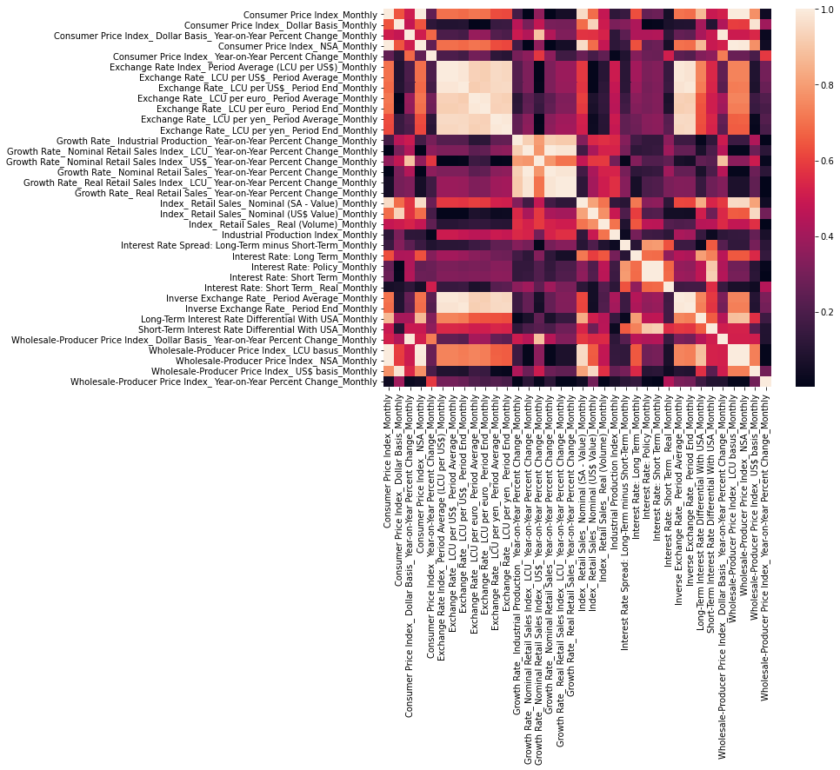

> | Correlation among monthly features

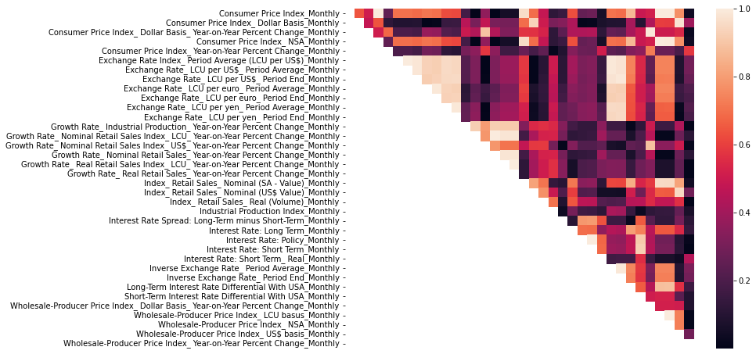

> | PCA rejected because it produces same indices for all sub-segments, as the idices are calculated only on features, not on actual_data in any form
 | Example:

 |  | --> both produce exactly identical results, since the feature are exactly the same.
 |  | --> it is rather the interaction of features with actual_sales values that would give a different set of features for each sub-segment
 |  | --> but PCA algorithm only works on features, not on actual_sales, so their interaction would not be possible
 |  | --> Thus PCA is rejected altogether

 |  | --> keeping code here for future reference

 |  |  |  |  |  |  |  |  |  |  |  | # Principal component analysis (PCA)-- indexes calculated will be added as features in main dataset
 |  |  |  |  |  |  |  |  |  |  |  | features_list = [i for i in feat_df.columns if i not in ['date_month']]
 |  |  |  |  |  |  |  |  |  |  |  | '''
 |  |  |  |  |  |  |  |  |  |  |  | Here we'll aggregate features at sub-segment level for PCA
 |  |  |  |  |  |  |  |  |  |  |  | However, forecasting will still happen at TPI X DPG intersection only
 |  |  |  |  |  |  |  |  |  |  |  | So the newly created PCA indices will be added back as feature columns into the main dataset
 |  |  |  |  |  |  |  |  |  |  |  | '''
 |  |  |  |  |  |  |  |  |  |  |  | pca_df = df[['date', 'sub_seg']+features_list].groupby(['date', 'sub_seg'])\
 |  |  |  |  |  |  |  |  |  |  |  | .mean()\
 |  |  |  |  |  |  |  |  |  |  |  | .reset_index()

 |  |  |  |  |  |  |  |  |  |  |  | pca_indices = 5
 |  |  |  |  |  |  |  |  |  |  |  | pca_results = pd.DataFrame()

 |  |  |  |  |  |  |  |  |  |  |  | #--

 |  |  |  |  |  |  |  |  |  |  |  | #looping the PCA run over all sub-segments
 |  |  |  |  |  |  |  |  |  |  |  | #-------------------------------------loopfor other segments as well
 |  |  |  |  |  |  |  |  |  |  |  | sub_seg = 'BX'
 |  |  |  |  |  |  |  |  |  |  |  | ##selecting only the feature columns to go into PCA algorithm
 |  |  |  |  |  |  |  |  |  |  |  | df_ = pca_df[pca_df['sub_seg']== sub_seg]\
 |  |  |  |  |  |  |  |  |  |  |  | [[col for col in pca_df.columns if col not in ['date', 'sub_seg']]]\
 |  |  |  |  |  |  |  |  |  |  |  | .reset_index(drop= True)

 |  |  |  |  |  |  |  |  |  |  |  | ##fitting the PCA algorithm
 |  |  |  |  |  |  |  |  |  |  |  | print('Running PCA algorithm for "{}" sub-segment. Output will have {} indices'.format(sub_seg, pca_indices))
 |  |  |  |  |  |  |  |  |  |  |  | pca = PCA(n_components= pca_indices)\
 |  |  |  |  |  |  |  |  |  |  |  | .fit(df_)

 |  |  |  |  |  |  |  |  |  |  |  | ##plotting the results-- how explained-variance-ratio progresses over indices
 |  |  |  |  |  |  |  |  |  |  |  | print(pca.explained_variance_ratio_, '\n')
 |  |  |  |  |  |  |  |  |  |  |  | plt.plot(np.cumsum(pca.explained_variance_ratio_))
 |  |  |  |  |  |  |  |  |  |  |  | plt.xlabel('number of indices')
 |  |  |  |  |  |  |  |  |  |  |  | plt.ylabel('cumulative explained variance')
 |  |  |  |  |  |  |  |  |  |  |  | plt.show();

 |  |  |  |  |  |  |  |  |  |  |  | ##saving the results
 |  |  |  |  |  |  |  |  |  |  |  | results = pca.transform(df_)
 |  |  |  |  |  |  |  |  |  |  |  | col_headers = ['pca_index_'+str(i) for i in range(1, pca_indices+1)]
 |  |  |  |  |  |  |  |  |  |  |  | date_ = pca_df[pca_df['sub_seg']== sub_seg]['date']

 |  |  |  |  |  |  |  |  |  |  |  | results = pd.DataFrame(results, columns= col_headers, index= date_)
 |  |  |  |  |  |  |  |  |  |  |  | results.insert(0, 'sub_seg', sub_seg)

 |  |  |  |  |  |  |  |  |  |  |  | results


> | By same argument as PCA, we can also reject SVD, as it is also a dimensionality reduction algorithm; and is better suited for cross sectional data
 | By same argument as PCA, we can also reject LDA, as it is also a dimensionality reduction algorithm; and is better suited for cross sectional data
 | By same argument as PCA, we can also reject NMF, as it is also a dimensionality reduction algorithm; and is better suited for cross sectional data
 | By same argument as PCA, we can also reject GDA, as it is also a dimensionality reduction algorithm; and is better suited for cross sectional data

 | MVR is also rejected
 | This method calculates the ratio of missing observations for each feature
 | And in our case the feature dataset is IHS, so it has no missing values

> | Difference between feature selection and dimensionality reduction.

 | These two terms are widely used in Machine learning and deep learning. Purpose of feature selection is to find the features that have greater imapact on outcome of predictive model while dimensionality reduction is about to reduce the features without lossing much genuine information and and improve the performance. Data cleaning is important step for data preprocessing. Without data, machine learning is nothing. More useful data, more will be the accuracy. More features make models more complex. The more the number of features, the more the chances of overfitting. Sometimes, misleading data(always noise) can lead to bad accuracy in predictive models.

 | Dimensionality reduction can be achived by features selection.

 | Algorithms for Feature Selection
 | Backward Elimination
 | Forward Selection
 | Pearson Correlation
 | Recursive feature Elimination
 | Genetic Algorithm
 | Lasso
 | Simulated Annealing
 | Dalex
 | To apply these algorithms we follow these steps.

 | Import all features of dataset
 | Select the best subset.
 | Apply algorithm from above listed algorithms.
 | Sometimes, we can’t achive better dimensionality reduction by features selection. To fill this gap, we use Other dimensionality reduction techniques. There are two major types of DR.

 | Linear dimensionality reduction
 | Non-Linear dimensionality reduction
 | Linear Techniques
 | PCA
 | Factor analysis
 | Linear discriminant analysis
 | Non Linear Techniques
 | Multi dimensional scaling
 | Isometric feature mapping
 | Local linear embeding
 | Spectral Embeding

> | Difference between RFE and BFE

